EXO Drones
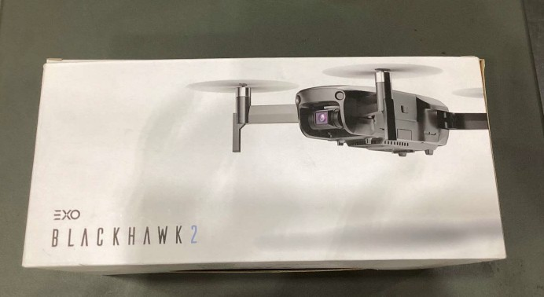
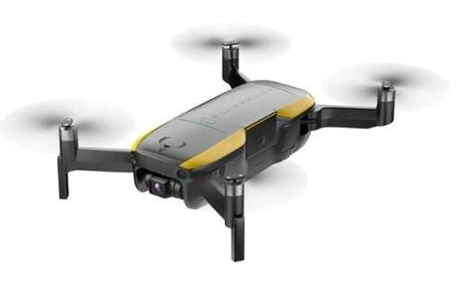
Brand | UPC | Item | Description | On Hand
EXO Drones | *196890741878 | EXOBATC2DB1B | Battery / 1BAT (C2) | 1,289
EXO Drones | *196890213238 | EXOBATXRDB1B | Battery / 1BAT (X7+) | 715
EXO Drones | *197869087515 | EXOCAMEXRYE1BUSR | - USA Red / Yes / 1 Battery Kit | 682
EXO Drones | *196890151394 | EXODDROREC2B | RECON / Drone / 2 battery | 614
EXO Drones | *196890721795 | EXODRORPC24P | Propellers (C2) | 576
EXO Drones | *196890913749 | EXOBATXRPD1BEU | Battery / 1BAT (X7+) | 468
EXO Drones | *197869087577 | EXOCAMEXRYE1BCLB | ssic Black / Yes / 1 Battery Kit | 460
EXO Drones | *196890151424 | EXODPROREC1SET | RECON / Propellers | 441
EXO Drones | *850040083583 | EXOBATEM1BDT | EXO MINI / 1BAT | 394
EXO Drones | *196890148677 | EXONDFBHOTH | ND Filter (BLACKHAWK2PRO) | 342
EXO Drones | *196890799251 | EXODCHAUNI | USB-C Charger | 256
EXO Drones | *840294764987 | EXODROEB3C11B | wk 3 Pro - Black / 1 Battery Kit | 244
EXO Drones | *196890799190 | EXOCHAMCHADT | Micro-USB Charger | 231
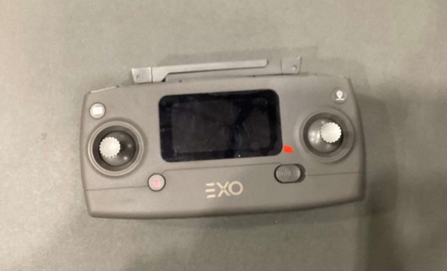
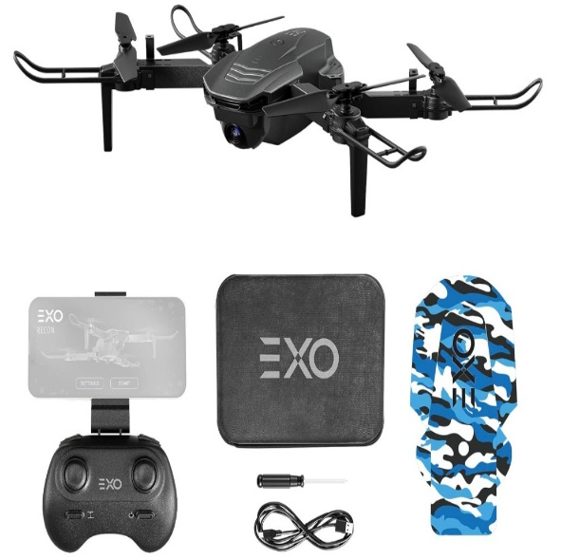
EXO Drones | *196890727674 | EXOCONC2CODT | Controller (C2) | 177
EXO Drones | *196890148660 | EXONDFBH2864 | ND Filter (BLACKHAWK2PRO) | 174
EXO Drones | *196890908240 | EXOCONXRPRDT | Controller (X7+) | 170
EXO Drones | *197869087478 | EXOCAMEXRNO1BUSR | S - USA Red / No / 1 Battery Kit | 139
EXO Drones | *196890151417 | EXODBATREC1B | RECON / Battery / 1 battery | 108
EXO Drones | *196890942725 | EXODROESCOBL2BTC | SCOUT / Black / 2BAT | 108
EXO Drones | *196890151387 | EXODDROREC3B | RECON / Drone / 3 battery | 100
EXO Drones | *196890300631 | EXODROESCOGO2BTC | SCOUT / Gold / 2BAT | 97
EXO Drones | *196890799268 | EXODCONBNM | BLACKHAWK AND MINI JOYSTICKS | 82
EXO Drones | *196890212637 | EXOBATEB2D1B | Battery / 1BAT (BLACKHAWK2) | 72
EXO Drones | *196890531233 | EXODROEC201B | CINEMASTER 2 / 1BAT | 64
EXO Drones | *850040083651 | EXOBATEMP1DT | EXO MINI PRO / 128BAT | 63
EXO Drones | *850040083538 | EXOBATEMP2DT | EXO MINI PRO / 128BAT | 61
EXO Drones | *196890148547 | EXOBH2REFBAT | BLACKHAWK 1, REFURBISHED / 1BAT | 60
EXO Drones | *197869086655 | EXOCPAEB3RBL | Remote Controllers - Black/Grey | 55
EXO Drones | *196890151431 | EXODSHIGIF | RECON / Gift Box | 55
EXO Drones | *196890151448 | EXODSHIKRA | RECON / Kraft Box | 55
EXO Drones | *196890799220 | EXODCABBLACON | BLACKHAWK USBC | 53
EXO Drones | *196890799213 | EXOCONMCCBDT | BLACKHAWK MICROUSB CABLE | 52
EXO Drones | *197869086730 | EXOPACEB3CCM | EXOPACEB3CCM | 50
EXO Drones | *196890367122 | EXODROESCOGO1BTC | SCOUT / Gold / 1BAT | 49
EXO Drones | *216128325982 | EXODROEBLX2A | BLACKHAWK 2 / 2BAT | 45
EXO Drones | *196890336944 | EXODROESCOBL1BTC | SCOUT / Black / 1BAT | 41
EXO Drones | *196890342358 | EXODROEC203B | CINEMASTER 2 / 3BAT | 40
EXO Drones | *197869086716 | EXOPACEB3CFC | EXOPACEB3CFC | 40
EXO Drones | *197869086747 | EXOPACEB3CSC2 | EXOPACEB3CSC2 | 40
EXO Drones | *850040083620 | EXOBATEMP4DT | EXO MINI PRO / 64BAT | 28
EXO Drones | *197869111579 | EXOELEB3PDSB | Display Shell for Blackhawk 3 Pr | 27
EXO Drones | *840294794502 | EXODROEXRROAEU4B | X7 RANGER + / OA / Red / 4BAT | 22
EXO Drones | *840294765113 | EXOBATEB3C11B | Drone Batteries | 21
EXO Drones | *196890300204 | EXODRORXRDDT | Arm (X7+) | 20
EXO Drones | *840294794960 | EXODRORXRPDT | Arm (X7+) | 20
EXO Drones | *850040083675 | EXOBATEMPBDT | EXO MINI PRO / OA / 64BAT | 20
EXO Drones | *810107870556 | EXOBATEMPIDT | EXO MINI PRO / OA / 128BAT | 19
EXO Drones | *196890799312 | EXODROEMGCDT | EXO Mini Gimbal Cover | 18
EXO Drones | *196890799336 | EXODROMOCFDT | MicroUSB Offloading Cable | 18
EXO Drones | *810107870617 | EXOBATEB2XDT | BLACKHAWK 2 PRO / 3BAT | 18
EXO Drones | *196890799343 | EXODROXRGCDT | X7 Ranger PLUS Gimbal Cover | 17
EXO Drones | *196890799329 | EXODROEMGXDT | EXO Mini Pro Gimbal Cover | 16
EXO Drones | *196890662760 | EXODRORXREDT | Arm (X7+) | 16
EXO Drones | *196890799305 | EXODROC2GCDT | Cinemaster 2 Gimbal Cover | 12
EXO Drones | *850040083637 | EXOBATEMP6DT | EXO MINI PRO / 64BAT | 12
EXO Drones | *196890648238 | EXODRORXRXDT | Arm (X7+) | 11
EXO Drones | *197869086662 | EXOCPAEB3RWH | 3 Pro Remote Controllers - White | 10
EXO Drones | *196890727032 | EXODROC2GIDT | Gimbal Replacement (C2) | 10
EXO Drones | *850040083606 | EXOBATEM2BDT | EXO MINI / 2BAT | 10
EXO Drones | *850040083576 | EXOBATEMP8DT | EXO MINI PRO / 128BAT | 8
EXO Drones | *850040083668 | EXOBATEMPSDT | EXO MINI PRO / OA / 64BAT | 7
EXO Drones | *196890799206 | EXOCONLCCBDT | BLACK HAWK CONTROLLER CABLE | 6
EXO Drones | *196890909797 | EXODROXRA7DT | Arm (X7+) | 6
EXO Drones | *196890827428 | EXODROEC202B | CINEMASTER 2 / 2BAT | 4
EXO Drones | *196890939381 | EXODROEXRE1B | X7 RANGER + / Black / 1BAT | 3
EXO Drones | *196890337507 | EXODROXRAFDT | Arm (X7+) | 3
EXO Drones | *196890814671 | EXODROXRARDT | Arm (X7+) | 3
EXO Drones | N/A | EXOBATEB3C21B | Drone Batteries | 3
EXO Drones | *850040083699 | EXOBATEMPTDT | EXO MINI PRO / OA / 128BAT | 3
EXO Drones | *196890151400 | EXODDROREC1B | RECON / Drone / 1 battery | 2
EXO Drones | *511314658507 | EXODROEBLX3B | BLACKHAWK 2 / 3BAT | 2
EXO Drones | *850040083590 | EXOBATEM3BDT | EXO MINI / 3BAT | 2
EXO Drones | *196890211722 | EXODROC2ABDT | Arm / BACK B (C2) | 1
EXO Drones | #N/A | EXODROC2ANDT | Arm / BACK A (C2) | 1
EXO Drones | *840294765076 | EXODROEMP21B | 23 - 1 Battery Kit / Yes / 64 GB | 1
EXO Drones | *196890396566 | EXODROEXRROACE1B | X7 RANGER + / OA / Black / 1BAT | 1
EXO Drones | *196890722334 | EXODROEXRRSTEU4B | X7 RANGER + / Red / 4BAT | 1
EXO Drones | N/A | EXOBATEB2P1B | Battery (BLACKHAWK2PRO) | 1
EXO Drones | N/A | EXOBATEMPNDT | EXO MINI PRO / OA / 128BAT | 1
 |  |  |  | 9,166

